c1_R2
Sweep | Event Time (s) | Threshold (V) | Threshold Time (s) | Peak (V) | Peak Time (s) | AHP (V) | AHP Time (s) | Absolute Event Time (s) | Interevent Interval (s) | Max Slope (V/s) | Min Slope (V/s) | AP Duration @ 50% (s) | Threshold (mV) | Threshold Time (ms) | Peak (mV) | Peak Time (ms) | AHP m(V) | AHP Time (ms) | Interevent Interval (s) | Max Slope (V/s) | Min Slope (V/s) | Max/Min dV/dt | AP Duration @ 50% (s) | Number of Events | Time | First Event |  | Last Event |  | Copyable |  |  | dV/dt Graph
1 | 0.00115 | -0.041687012 | -0.00044999999 | -0.0054016113 | 1.00E-04 | -0.051300049 | 0.00115 | 0.038816001 |  | 158.99658 | -121.45996 | 0.00036013097 | -40.957339357 | -0.4443769888 | -5.2921575494 | 0.10865814622 | -50.956867434 | 1.3929393058 | 6.3911444514 | 146.06765911 | -110.59199819 | 1.3207796359 | 0.39166628213 | 1565 | X | Y (V) | Y (mV) | Y (V) | Y (mV) |  |  |  | ReviewAP | diffAP
1 | 0.0059500001 | -0.041656494 | -0.00044999999 | -0.0057067871 | 1.00E-04 | -0.051025391 | 0.0011 | 0.043616001 | 0.0047999993 | 158.08105 | -120.84961 | 0.00036324523 |  |  |  |  |  |  |  |  |  |  |  |  | 0 | -0.044947032 | -44.947032 | -0.0440979 | -44.0979 | 0 | -44.947032 | -44.0979 | -0.044947032 | 3.2604485
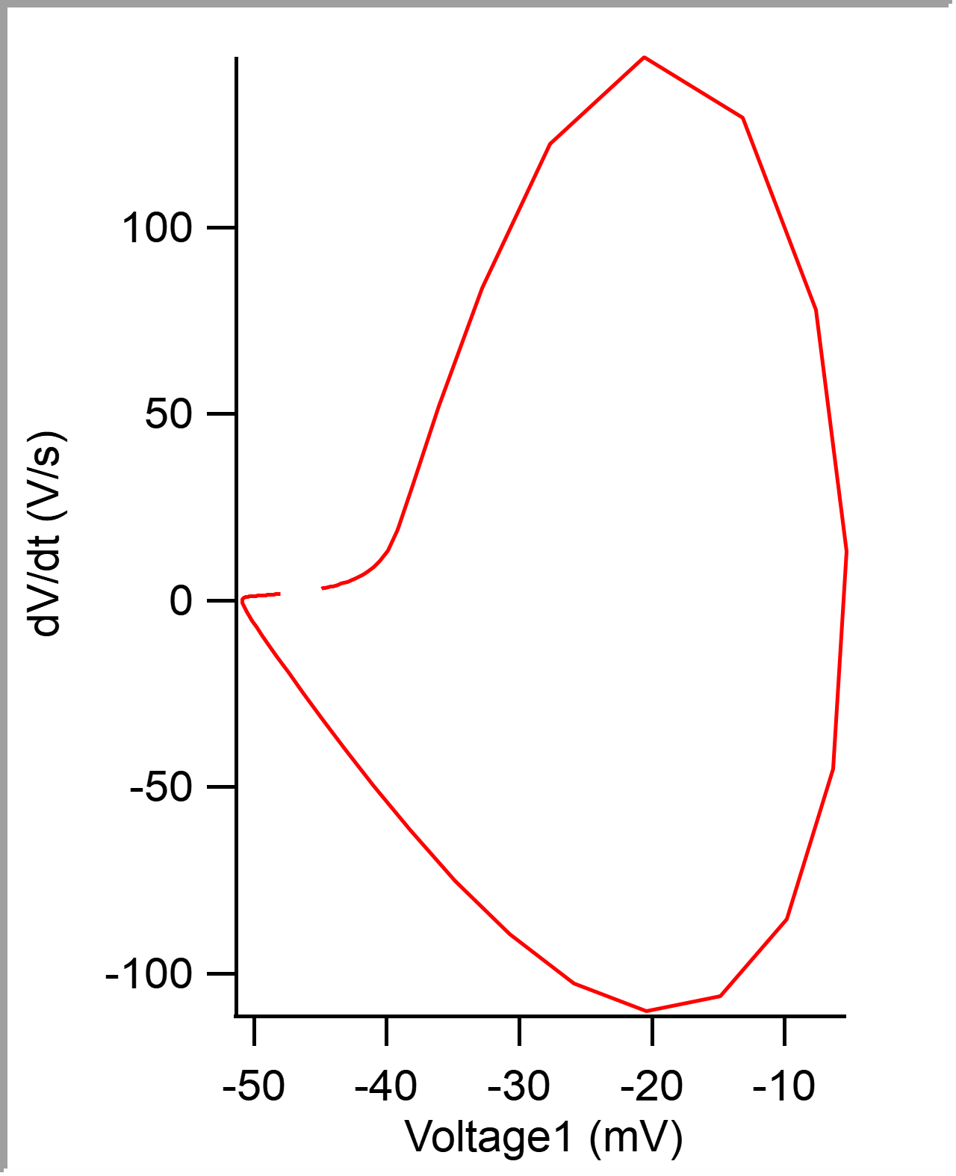
1 | 0.0108 | -0.041351318 | -0.00039999999 | -0.0055847168 | 1.00E-04 | -0.051177979 | 0.0011 | 0.048466001 | 0.0048500001 | 154.11377 | -119.93408 | 0.00035643193 |  |  |  |  |  |  |  |  |  |  |  |  | 5.00E-05 | -0.044784009 | -44.784009 | -0.043945313 | -43.945313 | 0.00005 | -44.784009 | -43.945313 | -0.044784009 | 3.3159926
1 | 0.01555 | -0.041381836 | -0.00039999999 | -0.005645752 | 1.00E-04 | -0.050994873 | 0.00115 | 0.053215999 | 0.0047499985 | 153.50342 | -119.62891 | 0.00035699949 |  |  |  |  |  |  |  |  |  |  |  |  | 0.0001 | -0.044615433 | -44.615433 | -0.043762207 | -43.762207 | 0.0001 | -44.615433 | -43.762207 | -0.044615433 | 3.4468248
1 | 0.020500001 | -0.041595459 | -0.00044999999 | -0.0056152344 | 1.00E-04 | -0.050994873 | 0.0011 | 0.058166001 | 0.0049500018 | 155.33447 | -119.01855 | 0.00036446683 |  |  |  |  |  |  |  |  |  |  |  |  | 0.00015 | -0.044439327 | -44.439327 | -0.043579102 | -43.579102 | 0.00015 | -44.439327 | -43.579102 | -0.044439327 | 3.564991
1 | 0.025149999 | -0.041931152 | -0.00039999999 | -0.0057678223 | 1.00E-04 | -0.051208496 | 0.00115 | 0.062816001 | 0.0046500005 | 155.63965 | -121.45996 | 0.00036576076 |  |  |  |  |  |  |  |  |  |  |  |  | 0.0002 | -0.044258934 | -44.258934 | -0.043426514 | -43.426514 | 0.0002 | -44.258934 | -43.426514 | -0.044258934 | 3.7134066
1 | 0.030449999 | -0.040985107 | -0.00044999999 | -0.0059509277 | 1.00E-04 | -0.050842285 | 0.0011 | 0.068116002 | 0.0053000003 | 152.89307 | -118.4082 | 0.00036328883 |  |  |  |  |  |  |  |  |  |  |  |  | 0.00025 | -0.044067986 | -44.067986 | -0.043243408 | -43.243408 | 0.00025 | -44.067986 | -43.243408 | -0.044067986 | 3.8937852
1 | 0.035250001 | -0.041137695 | -0.00044999999 | -0.0057678223 | 1.00E-04 | -0.05090332 | 0.0011 | 0.072916001 | 0.0047999993 | 154.72412 | -120.54443 | 0.00036162956 |  |  |  |  |  |  |  |  |  |  |  |  | 0.0003 | -0.043869555 | -43.869555 | -0.043029785 | -43.029785 | 0.0003 | -43.869555 | -43.029785 | -0.043869555 | 4.0620565
1 | 0.039949998 | -0.041809082 | -0.00039999999 | -0.0056762695 | 1.00E-04 | -0.051055908 | 0.0012000001 | 0.077615999 | 0.0046999976 | 153.80859 | -118.10303 | 0.00036497944 |  |  |  |  |  |  |  |  |  |  |  |  | 0.00035 | -0.043661781 | -43.661781 | -0.042877197 | -42.877197 | 0.00035 | -43.661781 | -42.877197 | -0.043661781 | 4.2749939
1 | 0.044799998 | -0.041870117 | -0.00044999999 | -0.0053710938 | 1.00E-04 | -0.051208496 | 0.0011 | 0.082465999 | 0.0048500001 | 155.63965 | -120.23926 | 0.00036093505 |  |  |  |  |  |  |  |  |  |  |  |  | 0.0004 | -0.043442056 | -43.442056 | -0.042633057 | -42.633057 | 0.0004 | -43.442056 | -42.633057 | -0.043442056 | 4.4994431
1 | 0.050000001 | -0.041259766 | -0.00044999999 | -0.0054626465 | 1.00E-04 | -0.051269531 | 0.00115 | 0.087665997 | 0.0051999986 | 158.99658 | -121.15479 | 0.00035865087 |  |  |  |  |  |  |  |  |  |  |  |  | 0.00045 | -0.043211836 | -43.211836 | -0.042388916 | -42.388916 | 0.00045 | -43.211836 | -42.388916 | -0.043211836 | 4.7587976
1 | 0.055100001 | -0.041015625 | -0.00039999999 | -0.0054626465 | 1.00E-04 | -0.051239014 | 0.0011 | 0.092766002 | 0.0051000044 | 157.77588 | -121.15479 | 0.00035476708 |  |  |  |  |  |  |  |  |  |  |  |  | 0.0005 | -0.042966176 | -42.966176 | -0.042114258 | -42.114258 | 0.0005 | -42.966176 | -42.114258 | -0.042966176 | 5.0719457
1 | 0.060199998 | -0.04119873 | -0.00039999999 | -0.0057983398 | 1.00E-04 | -0.051147461 | 0.00115 | 0.097865999 | 0.0050999969 | 154.11377 | -120.84961 | 0.00035835043 |  |  |  |  |  |  |  |  |  |  |  |  | 0.00055 | -0.042704642 | -42.704642 | -0.041870117 | -41.870117 | 0.00055 | -42.704642 | -41.870117 | -0.042704642 | 5.4097176
1 | 0.065200001 | -0.041625977 | -0.00044999999 | -0.0054321289 | 1.00E-04 | -0.051147461 | 0.00115 | 0.102866 | 0.0050000027 | 156.55518 | -120.84961 | 0.00035958985 |  |  |  |  |  |  |  |  |  |  |  |  | 0.0006 | -0.042425204 | -42.425204 | -0.041564941 | -41.564941 | 0.0006 | -42.425204 | -41.564941 | -0.042425204 | 5.845912
1 | 0.070249997 | -0.041564941 | -0.00044999999 | -0.0054321289 | 1.00E-04 | -0.051239014 | 0.00105 | 0.107916 | 0.0050499961 | 159.60693 | -122.68066 | 0.00035831073 |  |  |  |  |  |  |  |  |  |  |  |  | 0.00065 | -0.042120051 | -42.120051 | -0.041351318 | -41.351318 | 0.00065 | -42.120051 | -41.351318 | -0.042120051 | 6.3643975
1 | 0.075350001 | -0.041442871 | -0.00044999999 | -0.0053710938 | 1.00E-04 | -0.051177979 | 0.00115 | 0.113016 | 0.0051000044 | 155.63965 | -119.01855 | 0.00036189234 |  |  |  |  |  |  |  |  |  |  |  |  | 0.0007 | -0.041788764 | -41.788764 | -0.041046143 | -41.046143 | 0.0007 | -41.788764 | -41.046143 | -0.041788764 | 7.0042534
1 | 0.080499999 | -0.041442871 | -0.00044999999 | -0.0054321289 | 1.00E-04 | -0.051361084 | 0.00115 | 0.118166 | 0.0051499978 | 159.30176 | -121.76514 | 0.00035915404 |  |  |  |  |  |  |  |  |  |  |  |  | 0.00075 | -0.041419625 | -41.419625 | -0.040679932 | -40.679932 | 0.00075 | -41.419625 | -40.679932 | -0.041419625 | 7.8472123
1 | 0.085749999 | -0.041290283 | -0.00039999999 | -0.0054016113 | 1.00E-04 | -0.051177979 | 0.0011 | 0.123416 | 0.0052499995 | 158.38623 | -121.15479 | 0.00035558533 |  |  |  |  |  |  |  |  |  |  |  |  | 0.0008 | -0.041004043 | -41.004043 | -0.040222168 | -40.222168 | 0.0008 | -41.004043 | -40.222168 | -0.041004043 | 8.9912491
1 | 0.090850003 | -0.041412354 | -0.00044999999 | -0.0054931641 | 1.00E-04 | -0.051269531 | 0.0011 | 0.128516 | 0.0051000044 | 157.16553 | -120.23926 | 0.00036014678 |  |  |  |  |  |  |  |  |  |  |  |  | 0.00085 | -0.0405205 | -40.5205 | -0.039703369 | -39.703369 | 0.00085 | -40.5205 | -39.703369 | -0.0405205 | 10.669269
1 | 0.095899999 | -0.042144775 | -0.00044999999 | -0.0052490234 | 1.00E-04 | -0.051391602 | 0.00115 | 0.13356599 | 0.0050499886 | 162.04834 | -122.68066 | 0.00035805482 |  |  |  |  |  |  |  |  |  |  |  |  | 0.0009 | -0.039937116 | -39.937116 | -0.039031982 | -39.031982 | 0.0009 | -39.937116 | -39.031982 | -0.039937116 | 13.436339
1 | 0.10105 | -0.042022705 | -0.00044999999 | -0.005645752 | 1.00E-04 | -0.051300049 | 0.00115 | 0.138716 | 0.0051500052 | 161.13281 | -122.68066 | 0.00036269313 |  |  |  |  |  |  |  |  |  |  |  |  | 0.00095 | -0.039176866 | -39.176866 | -0.03817749 | -38.17749 | 0.00095 | -39.176866 | -38.17749 | -0.039176866 | 18.991678
1 | 0.10615 | -0.041595459 | -0.00039999999 | -0.0058288574 | 1.00E-04 | -0.051361084 | 0.00115 | 0.14381599 | 0.0050999969 | 155.63965 | -119.93408 | 0.00035986162 |  |  |  |  |  |  |  |  |  |  |  |  | 0.001 | -0.038037948 | -38.037948 | -0.036682129 | -36.682129 | 0.001 | -38.037948 | -36.682129 | -0.038037948 | 30.907354
1 | 0.11125 | -0.041473389 | -0.00044999999 | -0.0057678223 | 1.00E-04 | -0.051239014 | 0.0011 | 0.14891599 | 0.0050999969 | 158.38623 | -121.15479 | 0.0003601565 |  |  |  |  |  |  |  |  |  |  |  |  | 0.00105 | -0.036086131 | -36.086131 | -0.034210205 | -34.210205 | 0.00105 | -36.086131 | -34.210205 | -0.036086131 | 52.116215
1 | 0.1165 | -0.041687012 | -0.00039999999 | -0.0054016113 | 1.00E-04 | -0.051300049 | 0.00115 | 0.154166 | 0.0052500069 | 158.08105 | -121.45996 | 0.00035400907 |  |  |  |  |  |  |  |  |  |  |  |  | 0.0011 | -0.032826327 | -32.826327 | -0.030212402 | -30.212402 | 0.0011 | -32.826327 | -30.212402 | -0.032826327 | 83.65387
1 | 0.12145 | -0.041473389 | -0.00039999999 | -0.0054321289 | 1.00E-04 | -0.051361084 | 0.0011 | 0.159116 | 0.0049500018 | 160.21729 | -122.68066 | 0.00035572296 |  |  |  |  |  |  |  |  |  |  |  |  | 0.00115 | -0.027720744 | -27.720744 | -0.02432251 | -24.32251 | 0.00115 | -27.720744 | -24.32251 | -0.027720744 | 122.32734
1 | 0.1266 | -0.041748047 | -0.00044999999 | -0.0054321289 | 1.00E-04 | -0.051452637 | 0.0011 | 0.16426599 | 0.0051499903 | 160.21729 | -122.98584 | 0.0003584809 |  |  |  |  |  |  |  |  |  |  |  |  | 0.0012 | -0.020593593 | -20.593593 | -0.016937256 | -16.937256 | 0.0012 | -20.593593 | -16.937256 | -0.020593593 | 145.67122
1 | 0.1318 | -0.042144775 | -0.00044999999 | -0.0054626465 | 1.00E-04 | -0.051300049 | 0.00115 | 0.16946599 | 0.0051999986 | 154.72412 | -120.23926 | 0.00036276647 |  |  |  |  |  |  |  |  |  |  |  |  | 0.00125 | -0.013153622 | -13.153622 | -0.010406494 | -10.406494 | 0.00125 | -13.153622 | -10.406494 | -0.013153622 | 129.40408
1 | 0.13705 | -0.041290283 | -0.00044999999 | -0.0053100586 | 1.00E-04 | -0.051300049 | 0.0011 | 0.174716 | 0.0052500069 | 157.4707 | -121.15479 | 0.00035934179 |  |  |  |  |  |  |  |  |  |  |  |  | 0.0013 | -0.0076531847 | -7.6531847 | -0.0062561035 | -6.2561035 | 0.0013 | -7.6531847 | -6.2561035 | -0.0076531847 | 78.024376
1 | 0.14219999 | -0.040924072 | -0.00044999999 | -0.0054931641 | 1.00E-04 | -0.051177979 | 0.00115 | 0.17986599 | 0.0051499903 | 152.89307 | -119.32373 | 0.00036116131 |  |  |  |  |  |  |  |  |  |  |  |  | 0.00135 | -0.0053511844 | -5.3511844 | -0.0052185059 | -5.2185059 | 0.00135 | -5.3511844 | -5.2185059 | -0.0053511844 | 13.147323
1 | 0.14725 | -0.041137695 | -0.00039999999 | -0.0054626465 | 1.00E-04 | -0.051208496 | 0.0011 | 0.18491599 | 0.0050500035 | 156.25 | -119.93408 | 0.00035783029 |  |  |  |  |  |  |  |  |  |  |  |  | 0.0014 | -0.0063384525 | -6.3384525 | -0.007019043 | -7.019043 | 0.0014 | -6.3384525 | -7.019043 | -0.0063384525 | -45.029518
1 | 0.15234999 | -0.041595459 | -0.00044999999 | -0.0057373047 | 1.00E-04 | -0.051086426 | 0.00115 | 0.19001599 | 0.0050999969 | 158.69141 | -121.15479 | 0.00036193972 |  |  |  |  |  |  |  |  |  |  |  |  | 0.00145 | -0.009854136 | -9.854136 | -0.010864258 | -10.864258 | 0.00145 | -9.854136 | -10.864258 | -0.009854136 | -85.365364
1 | 0.1573 | -0.041625977 | -0.00039999999 | -0.0054016113 | 1.00E-04 | -0.051269531 | 0.0011 | 0.19496599 | 0.0049500018 | 161.13281 | -122.37549 | 0.00035833192 |  |  |  |  |  |  |  |  |  |  |  |  | 0.0015 | -0.014874989 | -14.874989 | -0.015808105 | -15.808105 | 0.0015 | -14.874989 | -15.808105 | -0.014874989 | -106.0126
1 | 0.16245 | -0.041229248 | -0.00039999999 | -0.0057067871 | 1.00E-04 | -0.051147461 | 0.00115 | 0.20011599 | 0.0051500052 | 153.19824 | -120.84961 | 0.00036183241 |  |  |  |  |  |  |  |  |  |  |  |  | 0.00155 | -0.020455396 | -20.455396 | -0.021087646 | -21.087646 | 0.00155 | -20.455396 | -21.087646 | -0.020455396 | -110.02142
1 | 0.1674 | -0.041503906 | -0.00039999999 | -0.0053405762 | 1.00E-04 | -0.051177979 | 0.00115 | 0.205066 | 0.0049500018 | 159.60693 | -121.15479 | 0.00035679189 |  |  |  |  |  |  |  |  |  |  |  |  | 0.0016 | -0.025877131 | -25.877131 | -0.0262146 | -26.2146 | 0.0016 | -25.877131 | -26.2146 | -0.025877131 | -102.58587
1 | 0.17219999 | -0.0418396 | -0.00039999999 | -0.0054931641 | 1.00E-04 | -0.051116943 | 0.00115 | 0.20986599 | 0.0047999918 | 156.25 | -119.01855 | 0.00036187048 |  |  |  |  |  |  |  |  |  |  |  |  | 0.00165 | -0.030713983 | -30.713983 | -0.030670166 | -30.670166 | 0.00165 | -30.713983 | -30.670166 | -0.030713983 | -89.455299
1 | 0.17735 | -0.041290283 | -0.00044999999 | -0.0054931641 | 1.00E-04 | -0.050994873 | 0.0011 | 0.21501599 | 0.0051500052 | 151.97754 | -118.10303 | 0.00036306103 |  |  |  |  |  |  |  |  |  |  |  |  | 0.0017 | -0.034822661 | -34.822661 | -0.034545898 | -34.545898 | 0.0017 | -34.822661 | -34.545898 | -0.034822661 | -75.065453
1 | 0.1825 | -0.041229248 | -0.00044999999 | -0.0054931641 | 1.00E-04 | -0.051116943 | 0.00115 | 0.220166 | 0.0051500052 | 154.11377 | -119.32373 | 0.00036346307 |  |  |  |  |  |  |  |  |  |  |  |  | 0.00175 | -0.038220529 | -38.220529 | -0.037750244 | -37.750244 | 0.00175 | -38.220529 | -37.750244 | -0.038220529 | -61.555244
1 | 0.18745001 | -0.041320801 | -0.00039999999 | -0.0055847168 | 1.00E-04 | -0.051177979 | 0.0012000001 | 0.225116 | 0.0049500018 | 155.0293 | -119.01855 | 0.0003579109 |  |  |  |  |  |  |  |  |  |  |  |  | 0.0018 | -0.040978186 | -40.978186 | -0.040374756 | -40.374756 | 0.0018 | -40.978186 | -40.374756 | -0.040978186 | -49.661732
1 | 0.19235 | -0.040985107 | -0.00039999999 | -0.0057373047 | 1.00E-04 | -0.050994873 | 0.00115 | 0.23001599 | 0.0048999935 | 149.53613 | -118.4082 | 0.00036058549 |  |  |  |  |  |  |  |  |  |  |  |  | 0.00185 | -0.043186702 | -43.186702 | -0.042510986 | -42.510986 | 0.00185 | -43.186702 | -42.510986 | -0.043186702 | -39.636753
1 | 0.1974 | -0.041046143 | -0.00044999999 | -0.0057678223 | 1.00E-04 | -0.051055908 | 0.0011 | 0.235066 | 0.0050500035 | 152.58789 | -119.01855 | 0.00036596003 |  |  |  |  |  |  |  |  |  |  |  |  | 0.0019 | -0.044941861 | -44.941861 | -0.044250488 | -44.250488 | 0.0019 | -44.941861 | -44.250488 | -0.044941861 | -31.377338
1 | 0.20225 | -0.04119873 | -0.00039999999 | -0.0055236816 | 1.00E-04 | -0.050994873 | 0.0011 | 0.239916 | 0.0048500001 | 157.77588 | -120.23926 | 0.00036044224 |  |  |  |  |  |  |  |  |  |  |  |  | 0.00195 | -0.046324436 | -46.324436 | -0.045623779 | -45.623779 | 0.00195 | -46.324436 | -45.623779 | -0.046324436 | -24.661123
1 | 0.20715 | -0.041351318 | -0.00039999999 | -0.0054931641 | 1.00E-04 | -0.051086426 | 0.0012000001 | 0.24481599 | 0.0048999935 | 154.72412 | -118.10303 | 0.00036342366 |  |  |  |  |  |  |  |  |  |  |  |  | 0.002 | -0.047407974 | -47.407974 | -0.046722412 | -46.722412 | 0.002 | -47.407974 | -46.722412 | -0.047407974 | -19.328259
1 | 0.2121 | -0.041442871 | -0.00044999999 | -0.005645752 | 1.00E-04 | -0.051055908 | 0.0011 | 0.24976599 | 0.0049500018 | 155.63965 | -119.93408 | 0.00036416925 |  |  |  |  |  |  |  |  |  |  |  |  | 0.00205 | -0.048257262 | -48.257262 | -0.047546387 | -47.546387 | 0.00205 | -48.257262 | -47.546387 | -0.048257262 | -15.147477
...

